Assumption
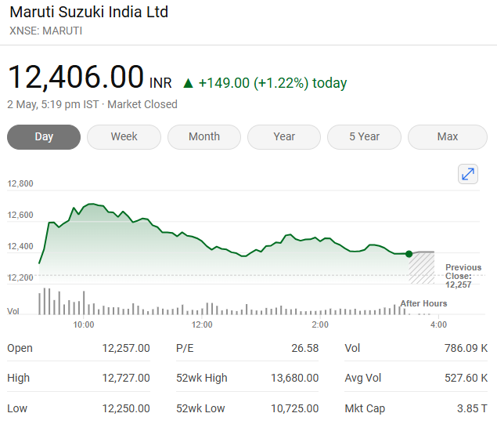
Assumption | Case No | Maruti Suzuki lndia Ltd
Base Case | 2

Colour Code
Blue colour |  | Hardcoded Figures
Black colour |  | Calculated Figures
Yellow Cell Fill |  | Assumption

Assumptions
Increase in industry Growth Rate | % | 0.25%
Increase in Revenue Growth Rate | % | 0.25%
Increase in Market share Growth Rate | % | 0.25%
Tax Rate | % | 30.00%
Interest Rate | % | 8.09%
Perpetual Growth Rate | % | 5.00%
10 Year bond Yield | % | 6.46%
Market Cap | INR Mn | 3900446.4
share outstanding | No in Mn | 314.4
Current Market Price | INR | 12406

Company sales Data
 | Domestic | Exports
Year | Nos | Nos
2020 | 1,461,126 | 102,171
2021 | 1,361,722 | 96,139
2022 | 1,414,277 | 238,376
2023 | 1,706,831 | 259,333
2024 | 1,852,256 | 283,067

Industry sales Data
 | Domestic | Exports
Year | Nos | Nos
2020 | 2770000 | 662120
2021 | 2710000 | 404400
2022 | 3070000 | 577880
2023 | 3890000 | 662890
2024 | 4220000 | 672110

charts
Year | 2020A | 2021A | 2022A | 2023A | 2024A | 2025F | 2026F | 2027F | 2028F | 2029F | 2030F | 2031F | 2032F | 2033F | 2034F
Revenue (Mn) | 756600 | 703720 | 883298 | 1184099 | 1418582 | 1739932.2917 | 2074612.0045 | 2493093.0441 | 3002687.6476 | 3624514.3395 | 4384856.7903 | 5316488.4158 | 6460351.4372 | 7867689.0031 | 9602757.3903
Net Profit (Mn) | 55592 | 42201 | 37176 | 80863 | 132341 | 145138.72835 | 162886.2658 | 186991.19932 | 219879.15935 | 263661.5974 | 320813.84798 | 394456.30792 | 488504.21075 | 607872.80497 | 758741.00306
Total Assets (Mn) | 636277 | 713761 | 746555 | 1003854 | 1153508 | 1355951.2784 | 1556203.9957 | 1793344.6459 | 2075899.4377 | 2416994.1032 | 2832814.2997 | 3343398.4811 | 3973624.7908 | 4754456.8635 | 5724521.8778
Return On Equity | 11% | 8% | 7% | 11% | 15% | 15% | 15% | 15% | 15% | 16% | 17% | 18% | 19% | 20% | 21%
Return on Assets | 9% | 6% | 5% | 8% | 11% | 11% | 10% | 10% | 11% | 11% | 11% | 12% | 12% | 13% | 13%
Financial Leverage | 1.3x | 1.4x | 1.3x | 1.3x | 1.3x | 1.4x | 1.4x | 1.4x | 1.5x | 1.5x | 1.5x | 1.5x | 1.5x | 1.5x | 1.6x

Total Assets (Mn)
Return On Equity %

